Script
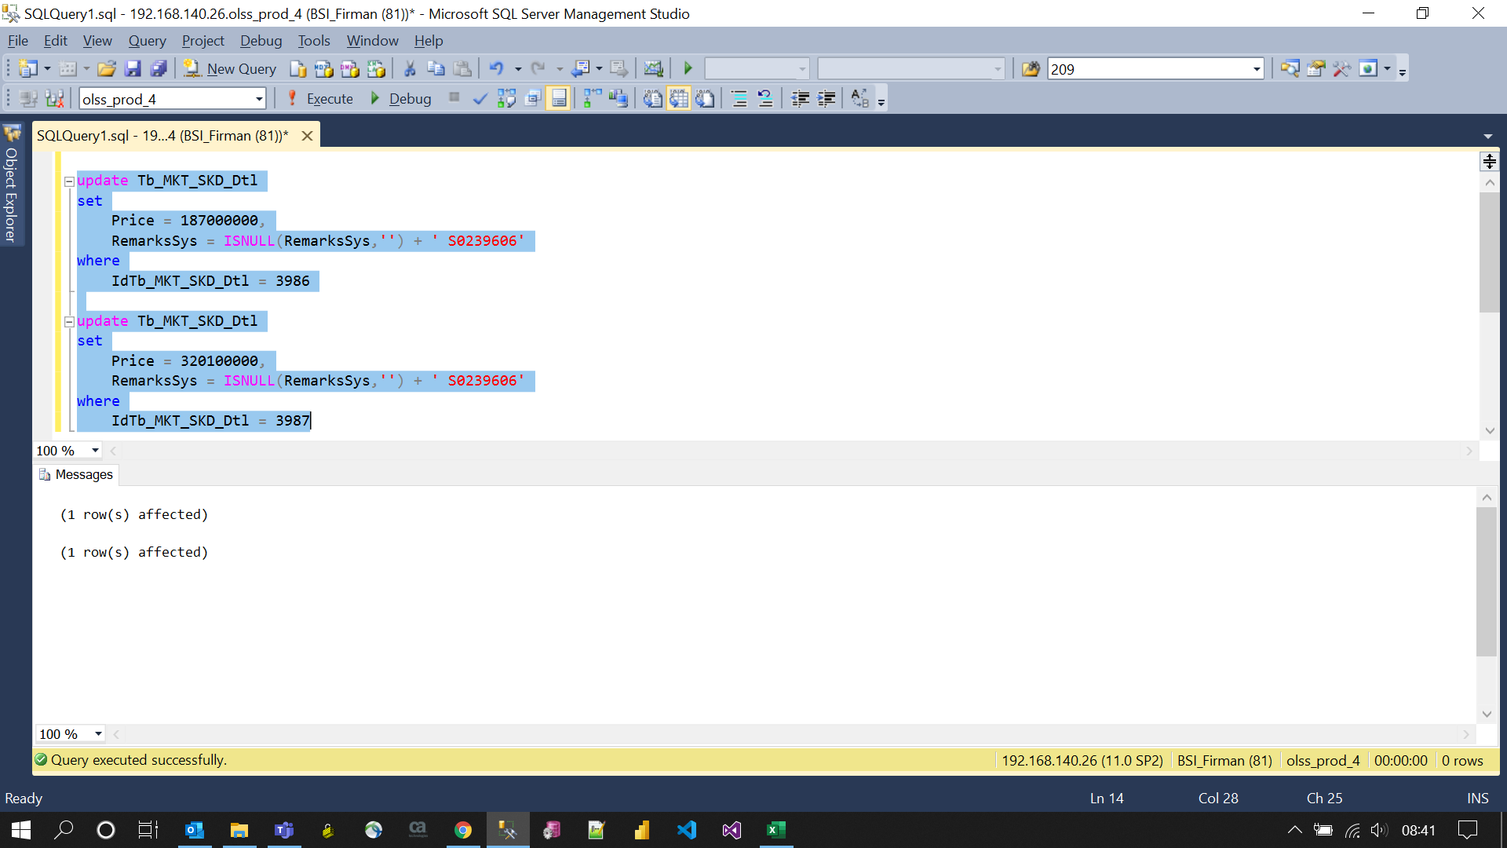
update Tb_MKT_SKD_Dtl
set
 | Price = 187000000,
 | RemarksSys = ISNULL(RemarksSys,'') + ' S0239606'
where
 | IdTb_MKT_SKD_Dtl = 3986

update Tb_MKT_SKD_Dtl
set
 | Price = 320100000,
 | RemarksSys = ISNULL(RemarksSys,'') + ' S0239606'
where
 | IdTb_MKT_SKD_Dtl = 3987

Screenshot
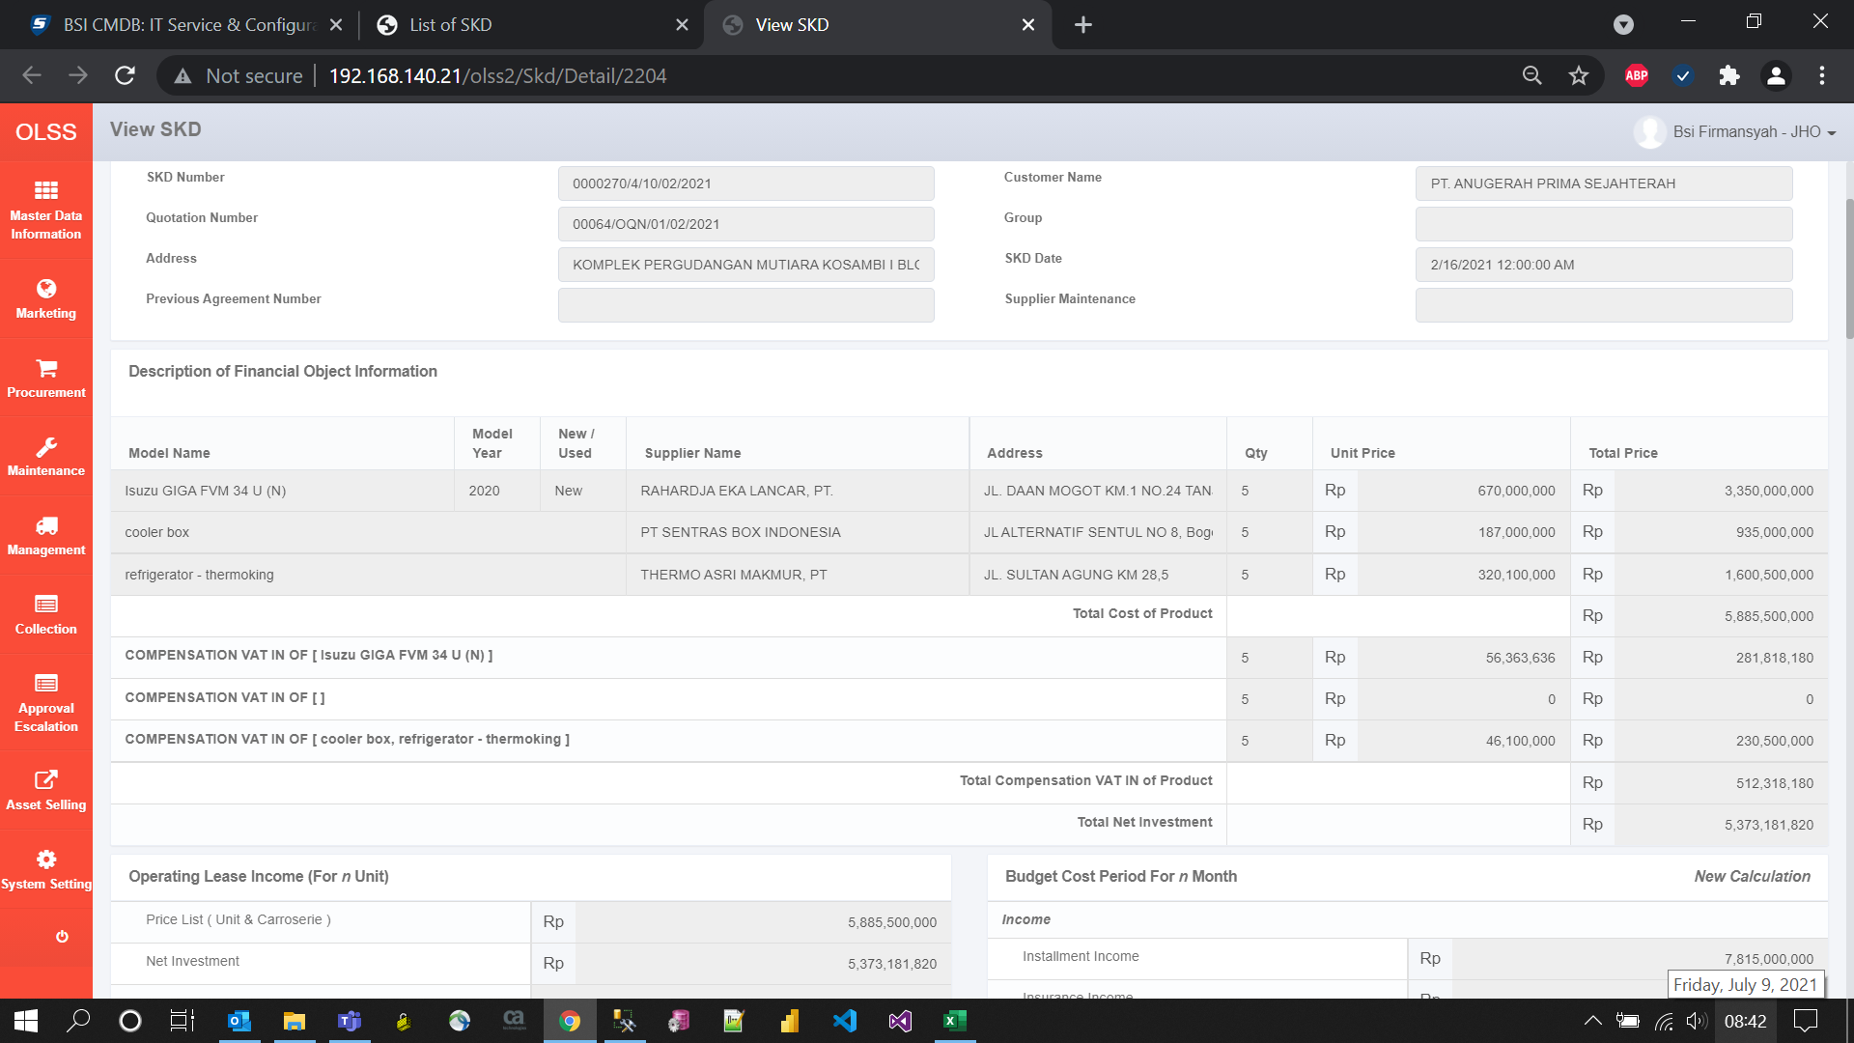
BEFORE
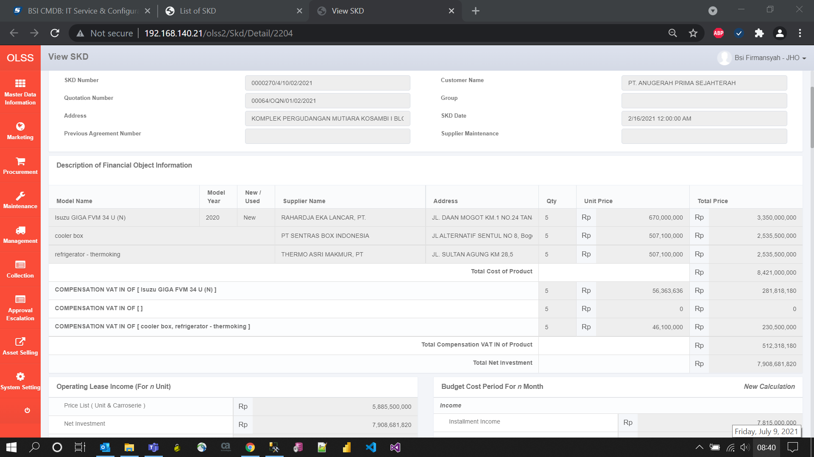

AFTER

